bug report
LINTA.ORG.LR
version of the Application :ryzen 5 |  |  |  | Environmental details:window 11 |  | Identified By:arjun sr
Reported To:viji miss |  |  |  |  |  | Date:05/11/2024
bug id | test id | expected result | bug description | step to reproduce | evidence/ screen shot | severity | priority | status
Def_LOL_01 | LOL_RP_01 | The events hyperlink should navigating us to the next page but where we can not see all the event details they conducting for us | its navigating us to the next page but where we can not see all the event details they conducting for us | 1. Click the url linta.org.lr 2.Click on "Events" hyper link |  | Major | P1 | New
Def_LOL_02 | LOL_RP_02 | The directory hyper link should navigate us to the next page where we can enter our needs | It should navigate us to the next page where we can not enter our needs only limites opetions are there and showing 0 result showing no listing found | 1. Click the url linta.org.lr 2.Click on "Directory" hyper link |  | Major | P1 | New
Def_LOL_03 | LOL_RP_03 | We should have to enter the location name manually in the field of directory | We can not enter the name manually.there are only limited list is there to select | 1.Click the url linta.org.lr 2.Click on "Directory"hyper link 3.Enter the details | 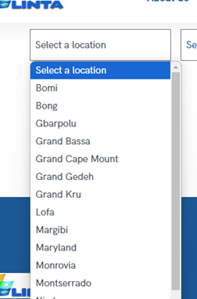 | Minor | P2 | New
Def_LOL_04 | LOL_RP_04 | We should have to enter all the tour details in the field of tour | We can not enter the destination there | 1. Click the url linta.org.lr 2.Click on "Tours" hyper link 3.Enter the details |  | Major | P1 | New
Def_LOL_05 | LOL_RP_05 | it should show all the details of tour package as per the details entered in the field of tour | its showing only one tour package | 1. Click the url linta.org.lr 2.Click on "Tours" hyper link 3.Enter the details(Date,guests) 4.click search button | 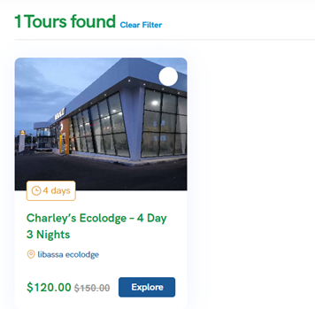 | Major | P1 | New
Def_LOL_06 | LOL_RP_06 | the dropdown list of tour field's sorting should be working properly | When we click on rating from dropdown list we can not see any rating details | 1. Click the url linta.org.lr 2.Click on "Tours" hyper link 3.Enter the details(Date,guests) 4.click search button 5.click on sort link 6.select rating | 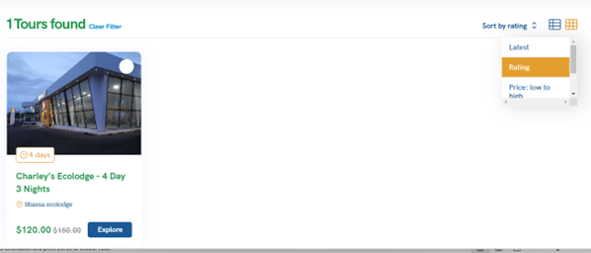 | Minor | P2 | New
Def_LOL_07 | LOL_RP_07 | The press release link in the media hyper link should navigate us to the "Press release" page | There is no proper press release details in this page | 1. Click the url linta.org.lr 2.Click on "media" hyper link 3.select the "press release" from the media hyper link | 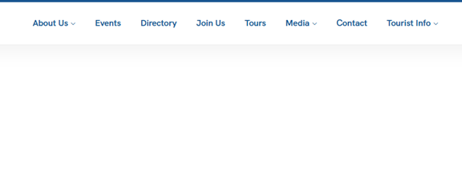 | Minor | P2 | New
Def_LOL_08 | LOL_RP_08 | the travel tips link from the drop down list of tourist info should navigate us to the Liberia travel tips page | There is no travel tips is available in travel tips page | 1. Click the url linta.org.lr 2.Click on "Tourist info" hyper link 3.select travel tips | 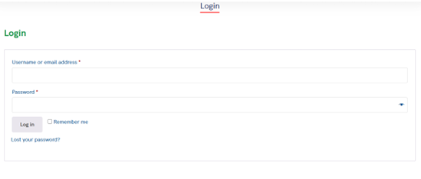 | Minor | P2 | New
Def_LOL_09 | LOL_RP_09 | There should be a sign up button or link is present in the page of login for the new users | There is no sign up button or link is present in the page for the new users | 1. Click the url linta.org.lr 2. Click on login button |  | Major | P1 | New
Def_LOL_10 | LOL_RP_10 | The username field should not read the special characters only | Its reading the special characters only | 1. Click the url linta.org.lr 2. Click on login button 3.enter the special charactors only as Username or email address |  | Minor | P2 | New
Def_LOL_11 | LOL_RP_11 | The username field should not read the blank space only | Its reading the space only | 1. Click the url linta.org.lr 2. Click on login button 3.enter the space only as Username or email address |  | Minor | P2 | New
Def_LOL_12 | LOL_RP_12 | We shouldn't copy and paste the password entered in the field of password | We can copy and paste the password from the field of password to anywhere | 1. Click the url linta.org.lr 2. Click on login button 3. Enter the password 4.Copy the password |  | Minor | P2 | New
Def_LOL_13 | LOL_RP_13 | We shouldn't able to enter more than 100 characters in the field of password and should show the error message | We can enter more than 100 characters in the field of password and its not showing any error message | 1. Click the url linta.org.lr 2. Click on login button 3. Enter any 100 charector |  | Minor | P2 | New
Def_LOL_14 | LOL_RP_14 | Homepage should be more attractive with much sufficient details | Not much information or images are available in the home page | 1. Click the url linta.org.lr |  | Enhancement | P4 | New
Def_LOL_15 | LOL_RP_15 | Homepage can provide chatting or messaging fecilities to contact Linta organizationto get appoinment | Homepage don't have any chatting or messaging fecilities to contact Linta organization to get appoinment | 1. Click the url linta.org.lr |  | Enhancement | P4 | New
Def_LOL_16 | LOL_RP_16 | Homepage can provide more details and achivements of the organization | Homepage don't have any more information about the organization awards and achivements | 1. Click the url linta.org.lr |  | Enhancement | P4 | New

Test report
Chart Title
LINTA.ORG.LR
S/No | Module name | Test case passed | Test case Failed | Total test cases
1 | home page | 16 | 1 | 18
2 | About us | 3 | 0 | 3
3 | Event | 1 | 1 | 1
4 | Directory | 2 | 2 | 2
5 | Join us | 5 | 0 | 5
6 | Tours | 6 | 3 | 6
7 | Media | 6 | 1 | 5
8 | Contact | 1 | 0 | 1
9 | Tourist info | 4 | 1 | 4
10 | Login | 16 | 5 | 21

Defect Distribution
LINTA.ORG.LR
Module name | Defect distribution
home page | 1
About us | 0
Event | 1
Directory | 2
Join us | 0
Tours | 3
Media | 1
Contact | 0
Tourist info | 1
Login | 5

